_HEAD
HEAD BACKPACK

PHOTOS | MOD | COL | COL DESC. | COMP. | GENDER | MADE IN | Q.TY | ORDER | WHS | RRP
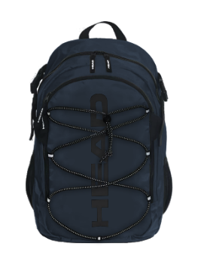 | HBK048 | 810 | NAVY | 100% POLYESTER | UNISEX | CHINA | 540 |  | €25.56 | €69.00
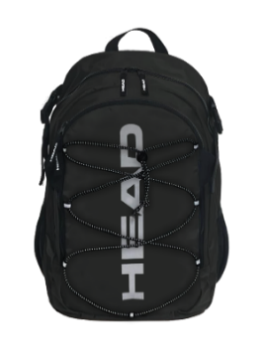 | HBK048 | 910 | BLACK | 100% POLYESTER | UNISEX | CHINA | 220 |  | €25.56 | €69.00
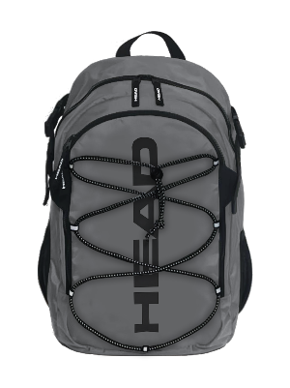 | HBK048 | 911 | GREY | 100% POLYESTER | UNISEX | CHINA | 180 |  | €25.56 | €69.00
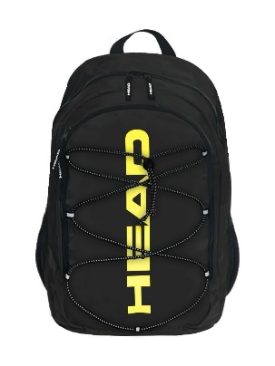 | HBK048 | B11 | BLACK/ YELLOW FLUO | 100% POLYESTER | UNISEX | CHINA | 160 |  | €25.56 | €69.00
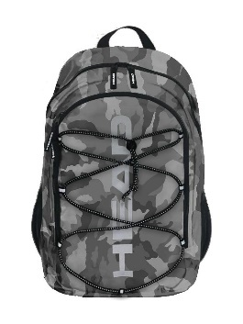 | HBK048 | V11 | CAMO GREY | 100% POLYESTER | UNISEX | CHINA | 320 |  | €25.56 | €69.00
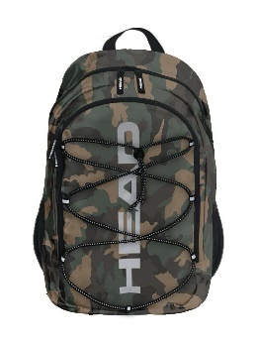 | HBK048 | V12 | CAMO ARMY | 100% POLYESTER | UNISEX | CHINA | 340 |  | €25.56 | €69.00
 |  |  |  |  |  |  | 1,760

